FuelPriceTrends
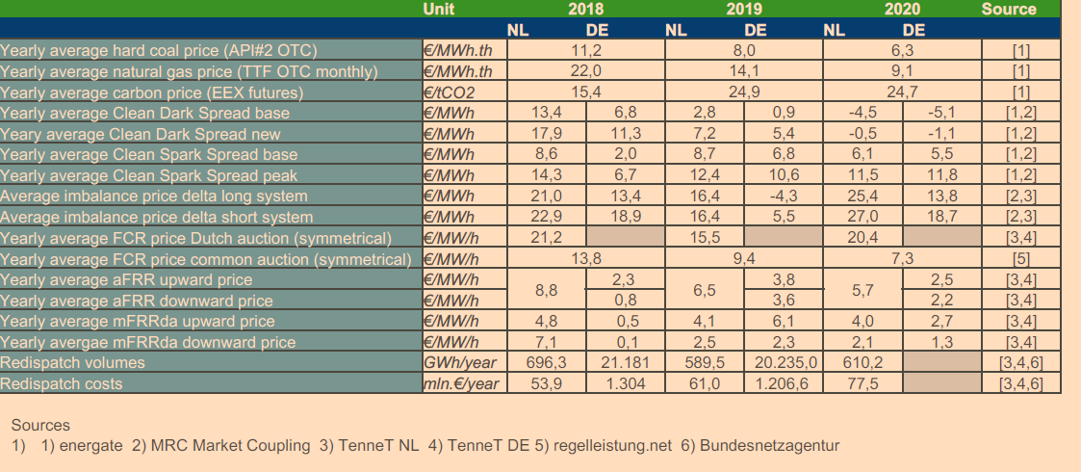
Name | Top | Max | Min | Start | Fuel
biomassTrend | 1.01 | 1.05 | 0.97 | 28.8 | Biomass | annual market update 2020
uraniumTrend | 1.01 | 1.02 | 1 | 2.808 | Nuclear
fuelOilTrend | 1.01 | 1.04 | 0.96 | 49.68 | Oil
hardCoalTrend | 1 | 1.04 | 0.79 | 7.344 | Coal
ligniteCoalTrend | 1 | 1.02 | 0.98 | 7.344 | Lignite
naturalGasTrend | 1.01 | 1.06 | 0.95 | 12.78 | Natural Gas
co2StartingPrice | 0 | 0 | 0 | 25 | CO2
derivedGasTrend | 1.01 | 1.06 | 0.95 | 12.78 | Derived Gas
freeTrend | 0 | 0 | 0 | 0 | Rese
demandTrend | 1.02 | 1.03 | 0.98 | 1 | Demand

